spectrophotometer
 |  | Discovering Beer's Law by a Simulation-based Laboratory

 |  | Spreadsheet for Data Collection

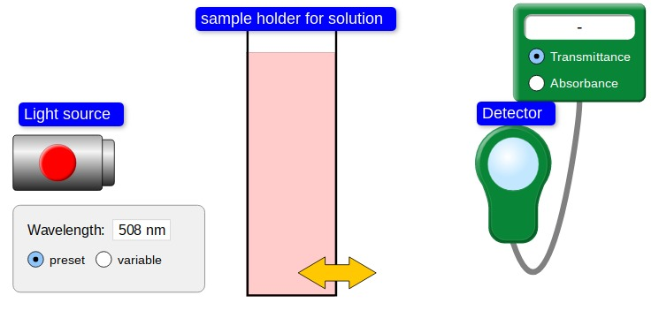

 |  | Oversimplified Spectrophotometer

Handout of Activity: | click here |  | PhET Beer's Law sim: | click here

 |  | YouTube video for using PhET sim: | click here

just add data
Beer's Law Simulation-based Laboratory |  |  |  | go to File > Make a copy... | Use the PhET sim to generate the needed data.
 |  |  |  |  |  | click here
 | Just add data to the yellow cells, graphs will appear!!!
Absorbance as a function of Pathlength

 | Influence of Pathlength, b

 | b, cm | A (240 mcM) | A (180 mcM)
 | 0.5
 | 1
 | 1.5
 | 2

 | What variables are constant?

 | What does the slope represent?

Absorption Spectrum
 | Influence of Wavelength

 | wavelength, nm | A (480 mcM) | A (240 mcM)
 | 464
 | 484
 | 504
 | 524
 | 544
 | 564
 | 584
 | 604

 | What variables are constant?

 | What information do you obtain from this plot?

Calibration Curve
 | Influence of Concentration, c

 | concentration, M | A (1.0 cm) | A (1.5 cm)
 | 0
 | 60
 | 120
 | 180
 | 240
 | 300
 | 360
 | 420
 | 480

 | What variables are constant?

 | What does the slope represent?
 |  |  |  |  |  | Sinex 2020

